We'll do the work for you!
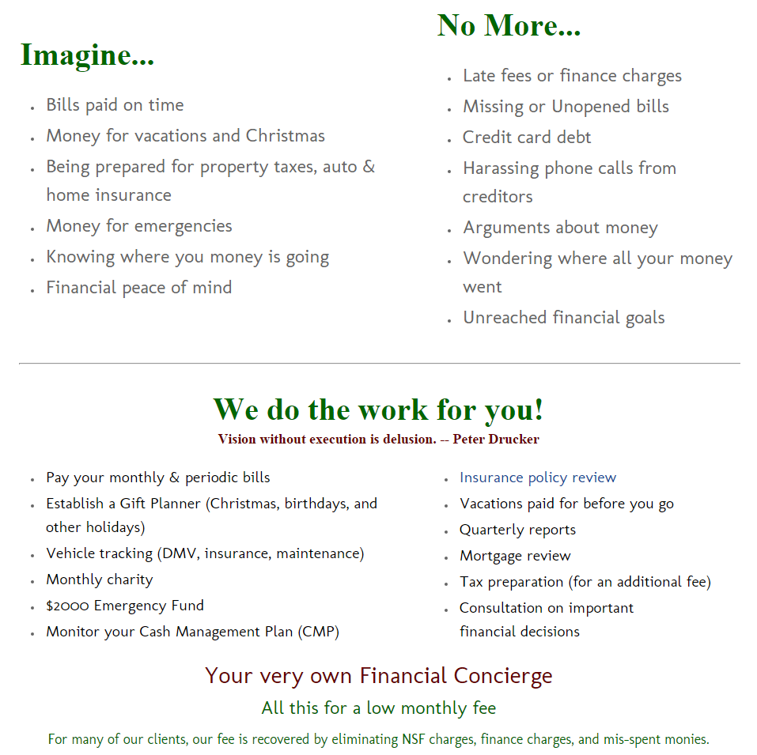

Cash Mngmt Plan
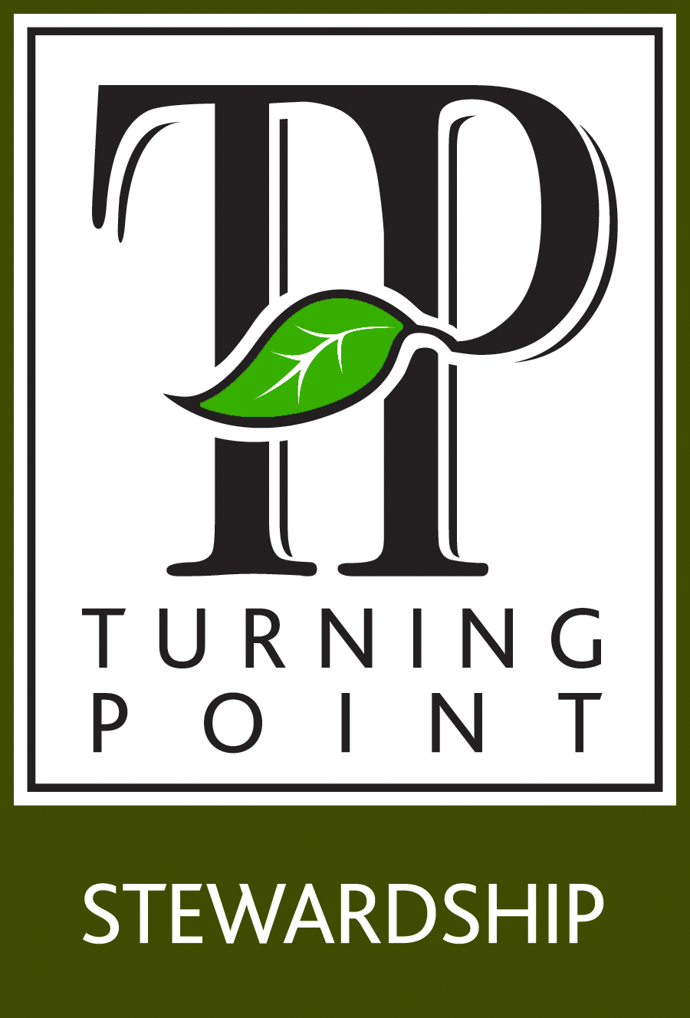
Cash Management Plan
www.TurningPointStewardship.com |  |  |  |  |  |  |  | Auto Tranasfer set up
 |  |  |  | Dash Board Income | $- | A |  | Save to Pay | Due Date | Amount | No. of Months | Monthly Amount | Misc
 |  |  |  | Money for Bill Pay Account | $- | B |  | Hm Owners Ins |  | $- | 12 | $-
 |  |  |  | Money for Save to pay | $0.00 | C |  | Property Tax |  | $- | 12 | $-
 |  |  |  | Money for Spend Accounts | $- | D |  | Auto Ins |  | $- | 12 | $-
 | 800-296-5899 |  |  | Turning Point Stewardship | $- |  |  | DMV/Lic |  | $- | 12 | $-
 | We'll do it for you! |  |  | Profit/Loss | $0.00 |  |  | DMV/Lic |  | $- | 12 | $-
Income |  |  |  |  |  |  |  | DMV/Lic |  | $- | 12 | $-
 | Description | Amount | Frequency | Where/How deposited/Auto or Manual |  |  |  | DMV/Lic |  | $- | 12 | $-
His |  |  |  |  |  |  |  | Life Ins |  | $- | 12 | $-
 |  |  |  |  |  |  |  | Medical Exp |  | $- | 12 | $-
 |  |  |  |  |  |  |  | Education |  | $- | 12 | $-
 |  |  |  |  | Total Monthly Income |  |  | Christmas |  | $- | 12 | $-
 |  |  |  |  |  |  |  | Gifts |  | $- | 12 | $-
 | Total | $- | A |  | $- | A |  | Vacation |  | $- | 12 | $-
Hers |  |  |  |  |  |  |  | Auto Repair |  | $- | 1 | $-
 |  |  |  |  |  |  |  | Umbrella Ins |  | $- | 12 | $-
 |  |  |  |  |  |  |  | ER Fund |  | $- | 12 | $-
 |  |  |  |  |  |  |  | 3-6 Months Expenses |  | $- | 12 | $-
 |  |  |  |  | Total Spend Accounts |  |  | Next Auto |  | $- | 12 | $-
 | Total | $- | A |  |  |  |  | Clothing |  | $- | 12 | $-
 |  |  |  | Spend Account | $- | D |  | Home Improvement |  | $- | 12 | $-
His Spend Account |  |  |  |  |  |  |  | Home Repair |  | $- | 12 | $-
 | Item | Amount |  | Monthly Bill Pay Account |  |  |  | Annual School Supplies |  | $- | 12 | $-
1 | Gasoline |  |  | Name | Amount | Due Date | A/V |  |  | $- | 12 | $-
2 | Eating out |  |  |  |  |  | A |  |  | $- | 12 | $-
3 | Hairstylist/Barber |  |  |  |  |  |  |  |  | $- | 12 | $-
4 |  |  |  |  |  |  |  |  |  | $- | 12 | $-
5 |  |  |  |  |  |  |  |  |  | $- | 12 | $-
6 |  |  |  |  |  |  |  |  |  | $- | 12 | $-
7 |  |  |  |  |  |  |  |  |  | $- |  | $- | C
8
9 |  |  |  |  |  |  |  | © Dr. Peter Robbins, Ph.D.
10
11 |  |  |  |  |  |  |  | Spend Account Items:
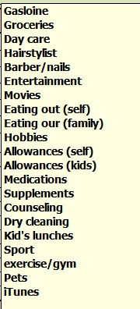
12
13
14
15
16
17
 | His Total | $-
 | Transferred on
 |  | D

Her Spend Account
 | Item | Amount
1 | Gasoline
2 | Eating out (self)
3 | Hairstylist/Barber
4
5
6
7
8
9
10
11
12
13
14
15
16
17
18
19 |  |  |  | Total |  | B
20
 | Her Total | $- |  | © Dr. Peter Robbins, Ph.D.
 | Transferred on
 |  | D

